Roof
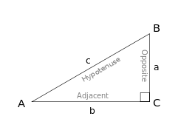
Inclination | 0.5 |  |  |  | Trim here | RB
A= | 1135 |  |  |  |  |  | H
a= | 95
b= | 200 |  |  |  | L
c= | 45
RB= | 19
Angle= | 26.6
d= | 106.2 |  |  |  |  |  |  | In this right triangle: sin A = a/c; cos A = b/c; tan A = a/b.
e= | 47.5 |  |  | h
f= | 176.1
g= | 22.5 |  | a
h= | 83.7 |  |  | g
L= | 1482.0 | d
H= | 651.2 |  |  | f | c

 |  |  | e

 |  |  | b |  | A

