Лист1
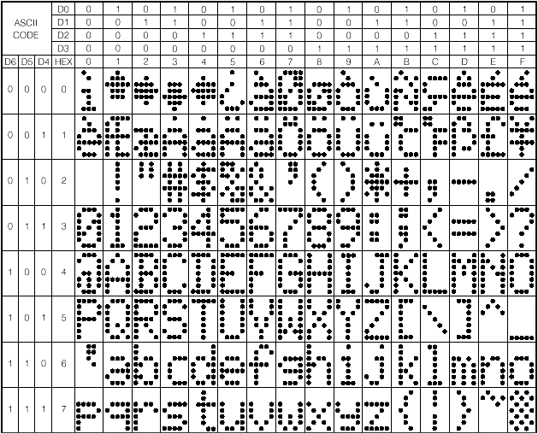
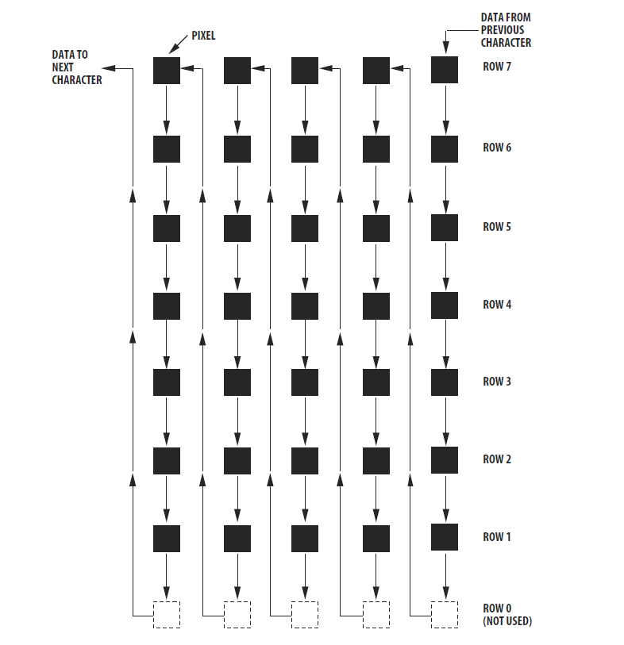
0 | 0 | 0 | 1 | 0
0 | 0 | 1 | 0 | 0 | ROW5 | ROW4 | ROW3 | ROW2 | ROW1
0 | 1 | 0 | 0 | 0 | 00001000 | 00010100 | 00100010 | 01000001 | 00000000
1 | 0 | 0 | 0 | 0
0 | 1 | 0 | 0 | 0
0 | 0 | 1 | 0 | 0
0 | 0 | 0 | 1 | 0
0 | 0 | 0 | 0 | 0 |  |  | Note: Insert the next sequence to the Prin_Character() Function,
 | Single Display |  |  |  |  |  | and define appropriate ASCII character

 |  |  |  |  | Sequence: | 0x8 | 0x14 | 0x22 | 0x41 | 0x0

