BillOfMaterials
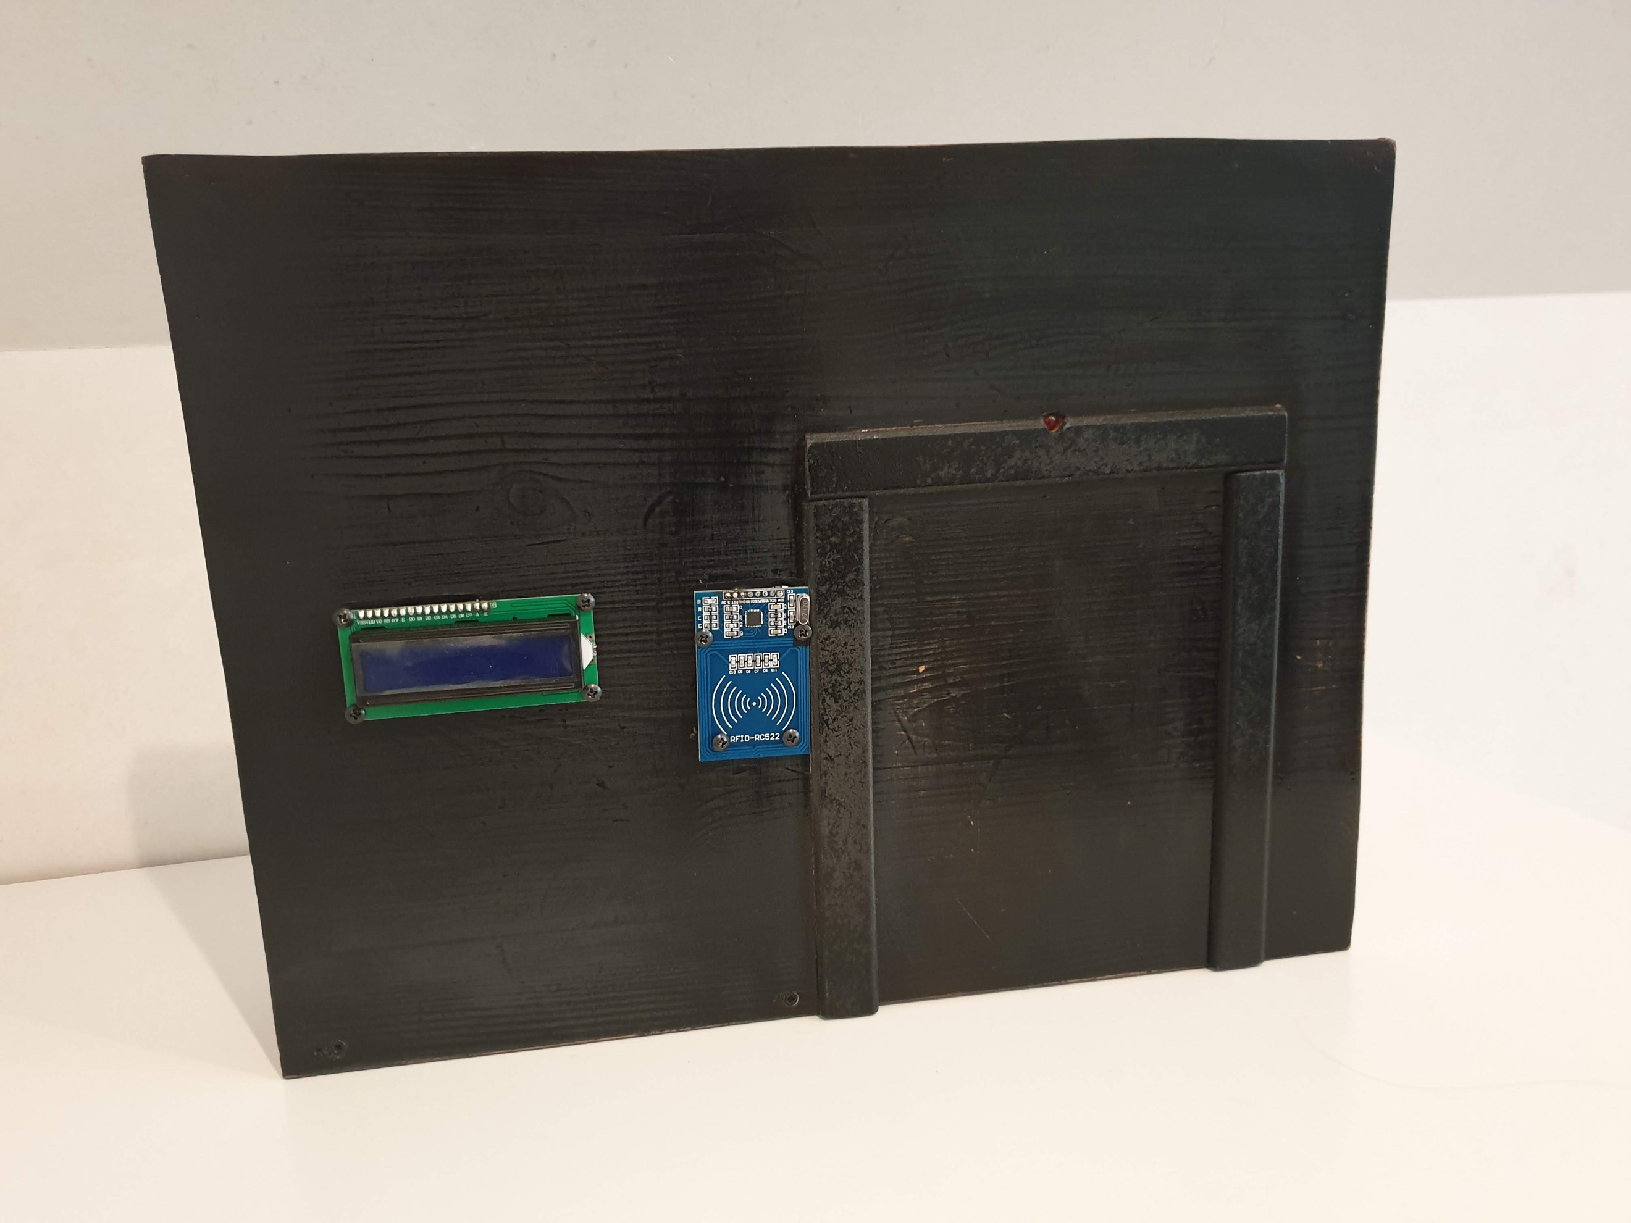
 | CLASS: | 1NMCT3
 | NAME: | Strypsteen
 | FIRSTNAME: | Jaron
 | Assembly Name : | LockCypher
 | Assembly Revision : | V1
 | Approval Date :
 | Part Count : | 10
 | Total Cost : | €92

Part # | Part Name | Description | Revision | Qty | Supplier | also available from | Units | Unit Cost | Max Cost | Real Cost
1 | Raspberry Pi kit | Microcontroller with SD card and power supply |  | 1 | Kiwi elektronics | SOS solutions |  | €69.90 | €69.90
2 | Solenoid Lock | Electronical lock |  | 1 | Alieexpress | Alieexpress |  | €1.60 | €1.60
3 | RGB Led | To know the locking state |  | 1 | Alieexpress | Prototyping kit |  | €0.80 | €0.80
4 | Display | Show IP and locking state |  | 1 | Alieexpress | Prototyping kit |  | €1.68 | €1.68
5 | 6-12V adapter | to power solenoid |  | 1 | Alieexpress | Prototyping kit |  | €1.76 | €1.76
6 | Resistors |  |  |  |  | Prototyping kit |  |  | €-
7 | RFID sensor | To open lock |  | 1 | Alieexpress | Prototyping kit |  | €1.38 | €1.38
8 | RFID cards | Extra cards |  | 1 | Alieexpress | Dertronics.nl |  | €1.52 | €1.52
10 | Transistor | For connecting the lock with 12V |  | 1 | Alieexpress | Prototyping kit |  | €0.43 | €0.43
11 | Barcode scanner | Scanning the barcode |  | 1 | Alieexpress | Alieexpress |  | €11.92 | €11.92
12 | diode | For use with the transistor |  | 1 | Aliexpress | Prototyping kit |  | €0.77 | €0.77
13 | Doormagnet | Sensor to know if the door is open |  | 1 | Alieexpress | Alieexpress |  | €8.09 | €8.09
 | Total |  |  | 10 |  |  |  |  | €91.76

Example

Bill of Materials for LEGO® Design
EXAMPLE on how to list parts of your project
 |  |  | Assembly Name : | Mini X-Wing™ |  |  |  |  |  | [42]
 |  |  | Assembly Number : | Custom
 |  |  | Assembly Revision :
 |  |  | Approval Date :
 |  |  | Pieces : | 46
 |  |  | Total Cost : | $5.85

Category | Part # | Elem ID | Part Name | Color | Qty | Supplier | Alternative available from | Action? | Units | Picture | Unit Cost | max Cost | Real Cost
Bricks, Sloping | 50746 | 4504369 | ROOF TILE 1X1X2/3, ABS | 1 - White | 1 | nephew | 4500069: Plate 1X2 W. 1 Knob | Brickset: LEGO set guide and database. (n.d.). Retrieved 21 February 2017, from http://brickset.com/parts/4500069 |  | each |  | $0.10 | $0.10 | $0.10
Plates | 3024 | 302401 | PLATE 1X1 | 1 - White | 1 | nephew | 4500069: Plate 1X2 W. 1 Knob | Brickset: LEGO set guide and database. (n.d.). Retrieved 21 February 2017, from http://brickset.com/parts/4500069 |  | each |  | $0.10 | $0.10 | $0.10
Plates | 3023 | 302301 | PLATE 1X2 | 1 - White | 2 | nephew | 4500069: Plate 1X2 W. 1 Knob | Brickset: LEGO set guide and database. (n.d.). Retrieved 21 February 2017, from http://brickset.com/parts/4500069 |  | each |  | $0.10 | $0.20 | $0.20
Plates | 3023 | 4211398 | PLATE 1X2 | 194 - Medium Stone Grey | 1 | nephew | 4500069: Plate 1X2 W. 1 Knob | Brickset: LEGO set guide and database. (n.d.). Retrieved 21 February 2017, from http://brickset.com/parts/4500069 |  | each |  | $0.10 | $0.10 | $0.10
Plates | 3794 | 379401 | PLATE 1X2 W. 1 KNOB | 1 - White | 1 | nephew | 4500069: Plate 1X2 W. 1 Knob | Brickset: LEGO set guide and database. (n.d.). Retrieved 21 February 2017, from http://brickset.com/parts/4500069 |  | each |  | $0.10 | $0.10 | $0.10
Plates | 3623 | 362301 | PLATE 1X3 | 1 - White | 1 | nephew | 4500069: Plate 1X2 W. 1 Knob | Brickset: LEGO set guide and database. (n.d.). Retrieved 21 February 2017, from http://brickset.com/parts/4500069 |  | each |  | $0.10 | $0.10 | $0.10
Plates | 3623 | 362321 | PLATE 1X3 | 21 - Bright Red | 1 | nephew | 4500069: Plate 1X2 W. 1 Knob | Brickset: LEGO set guide and database. (n.d.). Retrieved 21 February 2017, from http://brickset.com/parts/4500069 |  | each |  | $0.10 | $0.10 | $0.10
Plates | 94148 | 302201 | PLATE 2X2 | 1 - White | 1 | nephew | 4500069: Plate 1X2 W. 1 Knob | Brickset: LEGO set guide and database. (n.d.). Retrieved 21 February 2017, from http://brickset.com/parts/4500069 |  | each |  | $0.15 | $0.15 | $0.15
Plates, Special | 6141 | 4210633 | PLATE 1X1 ROUND | 199 - Dark Stone Grey | 1 | nephew | 4500069: Plate 1X2 W. 1 Knob | Brickset: LEGO set guide and database. (n.d.). Retrieved 21 February 2017, from http://brickset.com/parts/4500069 |  | each |  | $0.10 | $0.10 | $0.10
Plates, Special | 3070 | 307021 | FLAT TILE 1X1 | 21 - Bright Red | 4 | nephew | 4500069: Plate 1X2 W. 1 Knob | Brickset: LEGO set guide and database. (n.d.). Retrieved 21 February 2017, from http://brickset.com/parts/4500069 |  | each |  | $0.10 | $0.40 | $0.40
Plates, Special | 2412 | 241201 | RADIATOR GRILLE 1X2 | 1 - White | 1 | nephew | 4500069: Plate 1X2 W. 1 Knob | Brickset: LEGO set guide and database. (n.d.). Retrieved 21 February 2017, from http://brickset.com/parts/4500069 |  | each |  | $0.10 | $0.10 | $0.10
Plates, Special | 6019 | 4538353 | PLATE 1X1 W/HOLDER VERTICAL | 1 - White | 4 | nephew | 4500069: Plate 1X2 W. 1 Knob | Brickset: LEGO set guide and database. (n.d.). Retrieved 21 February 2017, from http://brickset.com/parts/4500069 |  | each |  | $0.15 | $0.60 | $0.60
Plates, Special | 2431 | 4558168 | FLAT TILE 1X4 | 1 - White | 1 | nephew | 4500069: Plate 1X2 W. 1 Knob | Brickset: LEGO set guide and database. (n.d.). Retrieved 21 February 2017, from http://brickset.com/parts/4500069 |  | each |  | $0.20 | $0.20 | $0.20
Plates, Special | 63868 | 4535737 | PLATE 2X1 W/HOLDER,VERTICAL | 1 - White | 4 | nephew | 4500069: Plate 1X2 W. 1 Knob | Brickset: LEGO set guide and database. (n.d.). Retrieved 21 February 2017, from http://brickset.com/parts/4500069 |  | each |  | $0.15 | $0.60 | $0.60
Plates, Special | 2540 | 4211632 | PLATE 1X2 W. STICK | 194 - Medium Stone Grey | 4 | nephew | 4500069: Plate 1X2 W. 1 Knob | Brickset: LEGO set guide and database. (n.d.). Retrieved 21 February 2017, from http://brickset.com/parts/4500069 |  | each |  | $0.15 | $0.60 | $0.60
Plates, Special | 3176 | 4225733 | COUPLING PLATE 2X2 | 199 - Dark Stone Grey | 1 | nephew | 4500069: Plate 1X2 W. 1 Knob | Brickset: LEGO set guide and database. (n.d.). Retrieved 21 February 2017, from http://brickset.com/parts/4500069 |  | each |  | $0.20 | $0.20 | $0.20
Bricks, Special | 49668 | 4224793 | PLATE 1X1 W/TOOTH | 5 - Brick Yellow | 1 | nephew | 4500069: Plate 1X2 W. 1 Knob | Brickset: LEGO set guide and database. (n.d.). Retrieved 21 February 2017, from http://brickset.com/parts/4500069 |  | each |  | $0.10 | $0.10 | $0.10
Technic | 32123 | 4211573 | 1/2 BUSH | 194 - Medium Stone Grey | 4 | nephew | 4500069: Plate 1X2 W. 1 Knob | Brickset: LEGO set guide and database. (n.d.). Retrieved 21 February 2017, from http://brickset.com/parts/4500069 |  | each |  | $0.10 | $0.40 | $0.40
Technic | 6590 | 4211622 | BUSH FOR CROSS AXLE | 194 - Medium Stone Grey | 8 | nephew | 4500069: Plate 1X2 W. 1 Knob | Brickset: LEGO set guide and database. (n.d.). Retrieved 21 February 2017, from http://brickset.com/parts/4500069 |  | each |  | $0.15 | $1.20 | $1.20
Accessories | 3957 | 4211473 | STICK/AERIAL | 194 - Medium Stone Grey | 4 | nephew | 4500069: Plate 1X2 W. 1 Knob | Brickset: LEGO set guide and database. (n.d.). Retrieved 21 February 2017, from http://brickset.com/parts/4500069 |  | each |  | $0.10 | $0.40 | $0.40
 |  |  | Total |  | 46 |  |  |  |  |  |  | $5.85 | $5.85

