BillOfMaterials
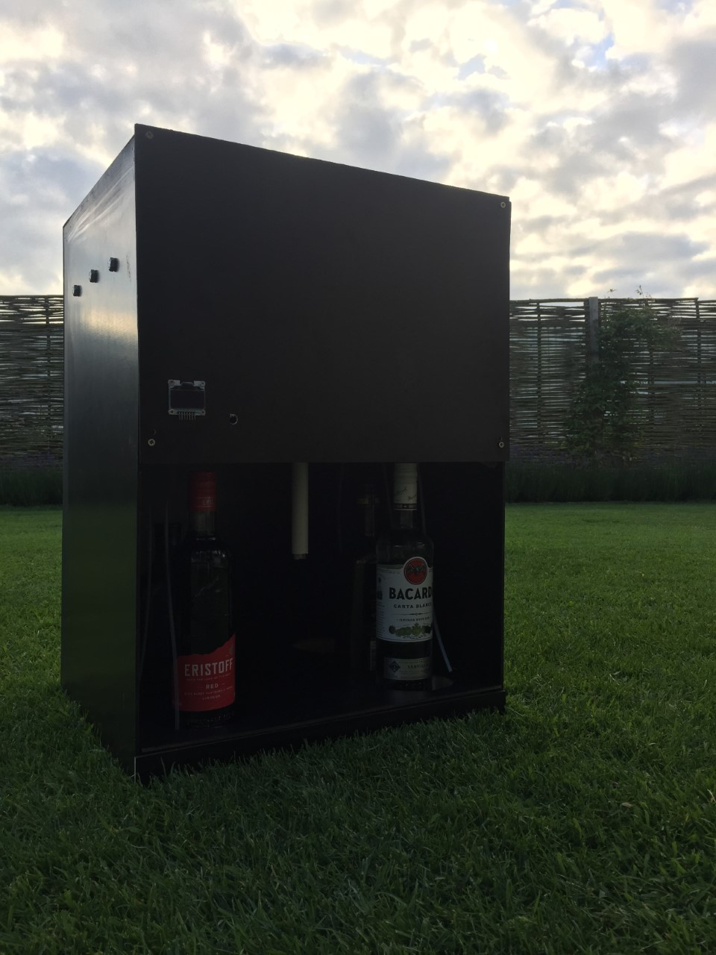
 | CLASS: | 1NMCT5
 | NAME: | Cortvriend
 | FIRSTNAME: | Berni
 | Assembly Name : | GrooveTail
 | Assembly Revision :
 | Approval Date : | 13-Mar-19
 | Part Count : | 18
 | Total Cost : | €369

Part # | Part Name | Description | Revision | Qty | Supplier | also available from | Units | Unit Cost | Max Cost | Real Cost
1 | Raspberry Pi 3 Model B kit | De Raspberry Pi 3 Model B+ is de snelste versie van de Raspberry Pi 3. Hiermee bouw je zelf een kleine mediaspeler, gameconsole of domotica controller. Dankzij de betere koeling op deze single board computer, draait hij 200 MHz sneller dan zijn voorganger. Dat maakt deze Raspberry Pi 3 Model B+ uitermate geschikt om te gebruiken als zeer compacte mediaspeler. Door de goede koeling laat je hem bovendien 24 uur per dag aan staan voor al je domotica projecten. |  | 1 | https://www.amazon.com/CanaKit-Raspberry-Premium-Clear-Supply/dp/B07BC7BMHY/ref=sr_1_4?keywords=raspberry+pi+3+model+B%2B&qid=1552479390&s=gateway&sr=8-4 |  | each | $50.00 | €50.00 | €47.50
2 | 8channel Relay van 5V | 5V 8-Channel Relay interface board, and each one needs 15-20mA Driver Current |  | 1 | https://www.amazon.com/gp/product/B00KTELP3I/ref=as_li_tl?ie=UTF8&camp=1789&creative=9325&creativeASIN=B00KTELP3I&linkCode=as2&tag=hackerhouse-20&linkId=3898470eecb3ecc648db61849837dcce |  | each | $9.00 | €9.00 | €8.99
3 | 12V Power Supply | DROK Uninterruptible Backup Power Supply Module Voltage Converter UPS AC 110V-240V to DC 13.5V 5A Volt Regulator Transformer Board |  | 1 | https://www.amazon.com/gp/product/B075R7ZVMH/ref=as_li_tl?ie=UTF8&camp=1789&creative=9325&creativeASIN=B075R7ZVMH&linkCode=as2&tag=hackerhouse-20&linkId=6d3910ad8b7f6aca716ce19e647a87c0 |  | each | $22.00 | €23.00 | €22.37
4 | Power cable | C2G 03134 18 AWG Universal Power Cord - NEMA 5-15P to IEC320C13, TAA Compliant, Black (10 Feet, 3.04 Meters) |  | 1 | https://www.amazon.com/gp/product/B00005113L/ref=as_li_tl?ie=UTF8&camp=1789&creative=9325&creativeASIN=B00005113L&linkCode=as2&tag=hackerhouse-20&linkId=91841b4da2520e0b5f437a1835a12dff |  | each | $8.00 | €8.00 | €7.07
5 | 5V regulator (DCDC Converter) | Non-isolated buck converter, dial down volt 36V 30V 24V to 12V 5V 3.7V 3.5V 3.3V 2V. |  | 1 | https://www.amazon.com/gp/product/B00SY37S00/ref=as_li_tl?ie=UTF8&camp=1789&creative=9325&creativeASIN=B00SY37S00&linkCode=as2&tag=hackerhouse-20&linkId=0b264583326bc6dc626ef243783fba6a |  | each | $8.00 | €8.00 | €7.99
6 | Power distribution board | Electronics-Salon Panel Mount 12 Position Power Distribution Module Board. |  | 1 | https://www.amazon.com/gp/product/B01CU66VM2/ref=as_li_tl?ie=UTF8&camp=1789&creative=9325&creativeASIN=B01CU66VM2&linkCode=as2&tag=hackerhouse-20&linkId=f8c7b18cbe6a59305668e4a4cc8ca9c3 |  | each | $14.00 | €20.00 | €17.00
7 | Drankpompen | Gikfun 12V DC Dosing Pump Peristaltic Dosing Head with Connector for Arduino Aquarium Lab Analytic DIY AE1207 |  | 6 | https://www.amazon.com/gp/product/B01IUVHB8E/ref=as_li_tl?ie=UTF8&camp=1789&creative=9325&creativeASIN=B01IUVHB8E&linkCode=as2&tag=hackerhouse-20&linkId=042cb752e964390bfb72864185928b64 |  | each | $12.68 | €76.08 | €76.08
8 | Silicone Tubes | Uxcell a15121600ux1003 2 mm x 4 mm Silicone Food Grade Tube Beer Water Air Hose Pipe, 3 m, Metal, 0.08" |  | 3 | https://www.amazon.com/gp/product/B01C3GCZTM/ref=as_li_tl?ie=UTF8&camp=1789&creative=9325&creativeASIN=B01C3GCZTM&linkCode=as2&tag=hackerhouse-20&linkId=4e64cc85725fae991fb31f77c8c91cf8 |  | each | $5.92 | €17.76 | €17.76
9 | Behuizing | Mijn behuizing bestond uit een aantal houten blokken en een aantal houten platen. Met de houten blokken werd een rechthoek gevormd waar de platen zorgden voor dichting er rond. |  | 1 | Gamma Kortrijk | Soortgelijke winkels zoals weba etc… | each | $50.00 | €75.00 | €62.07
10 | Drank | Zie dranksheet, een aantal dranken heb ik thuis al staan en hoeven dus niet meer aangekocht worden. |  | 1 | Carrefour Kruishoutem | Andere lokale winkels | each | $57.50 | €57.50 | €60.00
11 | Oled Display | Om de temperatuur, drank, etc weer te geven |  | 1 | Detron Kortrijk | International Elektronics Kortrijk | each | $20.00 | €25.00 | €22.00
 | Total |  |  | 18 |  |  |  |  | €369.34 | €348.83

Example

Bill of Materials for LEGO® Design
EXAMPLE on how to list parts of your project
 |  |  | Assembly Name : | Mini X-Wing™ |  |  |  |  |  | [42]
 |  |  | Assembly Number : | Custom
 |  |  | Assembly Revision :
 |  |  | Approval Date :
 |  |  | Pieces : | 46
 |  |  | Total Cost : | $5.85

Category | Part # | Elem ID | Part Name | Color | Qty | Supplier | Alternative available from | Action? | Units | Picture | Unit Cost | max Cost | Real Cost
Bricks, Sloping | 50746 | 4504369 | ROOF TILE 1X1X2/3, ABS | 1 - White | 1 | nephew | 4500069: Plate 1X2 W. 1 Knob | Brickset: LEGO set guide and database. (n.d.). Retrieved 21 February 2017, from http://brickset.com/parts/4500069 |  | each |  | $0.10 | $0.10 | $0.10
Plates | 3024 | 302401 | PLATE 1X1 | 1 - White | 1 | nephew | 4500069: Plate 1X2 W. 1 Knob | Brickset: LEGO set guide and database. (n.d.). Retrieved 21 February 2017, from http://brickset.com/parts/4500069 |  | each |  | $0.10 | $0.10 | $0.10
Plates | 3023 | 302301 | PLATE 1X2 | 1 - White | 2 | nephew | 4500069: Plate 1X2 W. 1 Knob | Brickset: LEGO set guide and database. (n.d.). Retrieved 21 February 2017, from http://brickset.com/parts/4500069 |  | each |  | $0.10 | $0.20 | $0.20
Plates | 3023 | 4211398 | PLATE 1X2 | 194 - Medium Stone Grey | 1 | nephew | 4500069: Plate 1X2 W. 1 Knob | Brickset: LEGO set guide and database. (n.d.). Retrieved 21 February 2017, from http://brickset.com/parts/4500069 |  | each |  | $0.10 | $0.10 | $0.10
Plates | 3794 | 379401 | PLATE 1X2 W. 1 KNOB | 1 - White | 1 | nephew | 4500069: Plate 1X2 W. 1 Knob | Brickset: LEGO set guide and database. (n.d.). Retrieved 21 February 2017, from http://brickset.com/parts/4500069 |  | each |  | $0.10 | $0.10 | $0.10
Plates | 3623 | 362301 | PLATE 1X3 | 1 - White | 1 | nephew | 4500069: Plate 1X2 W. 1 Knob | Brickset: LEGO set guide and database. (n.d.). Retrieved 21 February 2017, from http://brickset.com/parts/4500069 |  | each |  | $0.10 | $0.10 | $0.10
Plates | 3623 | 362321 | PLATE 1X3 | 21 - Bright Red | 1 | nephew | 4500069: Plate 1X2 W. 1 Knob | Brickset: LEGO set guide and database. (n.d.). Retrieved 21 February 2017, from http://brickset.com/parts/4500069 |  | each |  | $0.10 | $0.10 | $0.10
Plates | 94148 | 302201 | PLATE 2X2 | 1 - White | 1 | nephew | 4500069: Plate 1X2 W. 1 Knob | Brickset: LEGO set guide and database. (n.d.). Retrieved 21 February 2017, from http://brickset.com/parts/4500069 |  | each |  | $0.15 | $0.15 | $0.15
Plates, Special | 6141 | 4210633 | PLATE 1X1 ROUND | 199 - Dark Stone Grey | 1 | nephew | 4500069: Plate 1X2 W. 1 Knob | Brickset: LEGO set guide and database. (n.d.). Retrieved 21 February 2017, from http://brickset.com/parts/4500069 |  | each |  | $0.10 | $0.10 | $0.10
Plates, Special | 3070 | 307021 | FLAT TILE 1X1 | 21 - Bright Red | 4 | nephew | 4500069: Plate 1X2 W. 1 Knob | Brickset: LEGO set guide and database. (n.d.). Retrieved 21 February 2017, from http://brickset.com/parts/4500069 |  | each |  | $0.10 | $0.40 | $0.40
Plates, Special | 2412 | 241201 | RADIATOR GRILLE 1X2 | 1 - White | 1 | nephew | 4500069: Plate 1X2 W. 1 Knob | Brickset: LEGO set guide and database. (n.d.). Retrieved 21 February 2017, from http://brickset.com/parts/4500069 |  | each |  | $0.10 | $0.10 | $0.10
Plates, Special | 6019 | 4538353 | PLATE 1X1 W/HOLDER VERTICAL | 1 - White | 4 | nephew | 4500069: Plate 1X2 W. 1 Knob | Brickset: LEGO set guide and database. (n.d.). Retrieved 21 February 2017, from http://brickset.com/parts/4500069 |  | each |  | $0.15 | $0.60 | $0.60
Plates, Special | 2431 | 4558168 | FLAT TILE 1X4 | 1 - White | 1 | nephew | 4500069: Plate 1X2 W. 1 Knob | Brickset: LEGO set guide and database. (n.d.). Retrieved 21 February 2017, from http://brickset.com/parts/4500069 |  | each |  | $0.20 | $0.20 | $0.20
Plates, Special | 63868 | 4535737 | PLATE 2X1 W/HOLDER,VERTICAL | 1 - White | 4 | nephew | 4500069: Plate 1X2 W. 1 Knob | Brickset: LEGO set guide and database. (n.d.). Retrieved 21 February 2017, from http://brickset.com/parts/4500069 |  | each |  | $0.15 | $0.60 | $0.60
Plates, Special | 2540 | 4211632 | PLATE 1X2 W. STICK | 194 - Medium Stone Grey | 4 | nephew | 4500069: Plate 1X2 W. 1 Knob | Brickset: LEGO set guide and database. (n.d.). Retrieved 21 February 2017, from http://brickset.com/parts/4500069 |  | each |  | $0.15 | $0.60 | $0.60
Plates, Special | 3176 | 4225733 | COUPLING PLATE 2X2 | 199 - Dark Stone Grey | 1 | nephew | 4500069: Plate 1X2 W. 1 Knob | Brickset: LEGO set guide and database. (n.d.). Retrieved 21 February 2017, from http://brickset.com/parts/4500069 |  | each |  | $0.20 | $0.20 | $0.20
Bricks, Special | 49668 | 4224793 | PLATE 1X1 W/TOOTH | 5 - Brick Yellow | 1 | nephew | 4500069: Plate 1X2 W. 1 Knob | Brickset: LEGO set guide and database. (n.d.). Retrieved 21 February 2017, from http://brickset.com/parts/4500069 |  | each |  | $0.10 | $0.10 | $0.10
Technic | 32123 | 4211573 | 1/2 BUSH | 194 - Medium Stone Grey | 4 | nephew | 4500069: Plate 1X2 W. 1 Knob | Brickset: LEGO set guide and database. (n.d.). Retrieved 21 February 2017, from http://brickset.com/parts/4500069 |  | each |  | $0.10 | $0.40 | $0.40
Technic | 6590 | 4211622 | BUSH FOR CROSS AXLE | 194 - Medium Stone Grey | 8 | nephew | 4500069: Plate 1X2 W. 1 Knob | Brickset: LEGO set guide and database. (n.d.). Retrieved 21 February 2017, from http://brickset.com/parts/4500069 |  | each |  | $0.15 | $1.20 | $1.20
Accessories | 3957 | 4211473 | STICK/AERIAL | 194 - Medium Stone Grey | 4 | nephew | 4500069: Plate 1X2 W. 1 Knob | Brickset: LEGO set guide and database. (n.d.). Retrieved 21 February 2017, from http://brickset.com/parts/4500069 |  | each |  | $0.10 | $0.40 | $0.40
 |  |  | Total |  | 46 |  |  |  |  |  |  | $5.85 | $5.85

