Dome Math
Dome Math
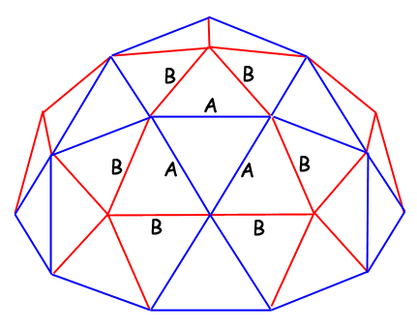
 | in | ft
Radius | 100.75 | 8.40 | Hub correction | 2.28
Strut Length A | 59.99 | 5.00 | Strut Factor A | 0.61803
Strut Length B | 52.78 | 4.40 | Strut Factor B | 0.54653
A + B | 112.77 | 9.40

Hub-Hub A | 62.27 | 5.19 | Struts A | 35
Hub-Hub B | 55.06 | 4.59 | Struts B | 30

Pipe A | 2099.53 | 174.96 | Possible Radii | Reason | 10ft Pipes | Cuts
Pipe B | 1583.49 | 131.96 | 100.75 | A = 5ft | 33 | 33
Total | 3683.02 | 306.92 | 107.96 | A + B = 10ft | 35 | 35

Height AAA | 53.92 | 4.49
Height ABB | 45.42 | 3.78 | AB angle | 55.57
 |  |  | BB angle | 68.86
Surface Area | 127555.73 | 885.80
Floor Area | 31888.93 | 221.45

Hex panel height | 107.85 | 8.99
Hex panel width | 110.13 | 9.18

