BillOfMaterials
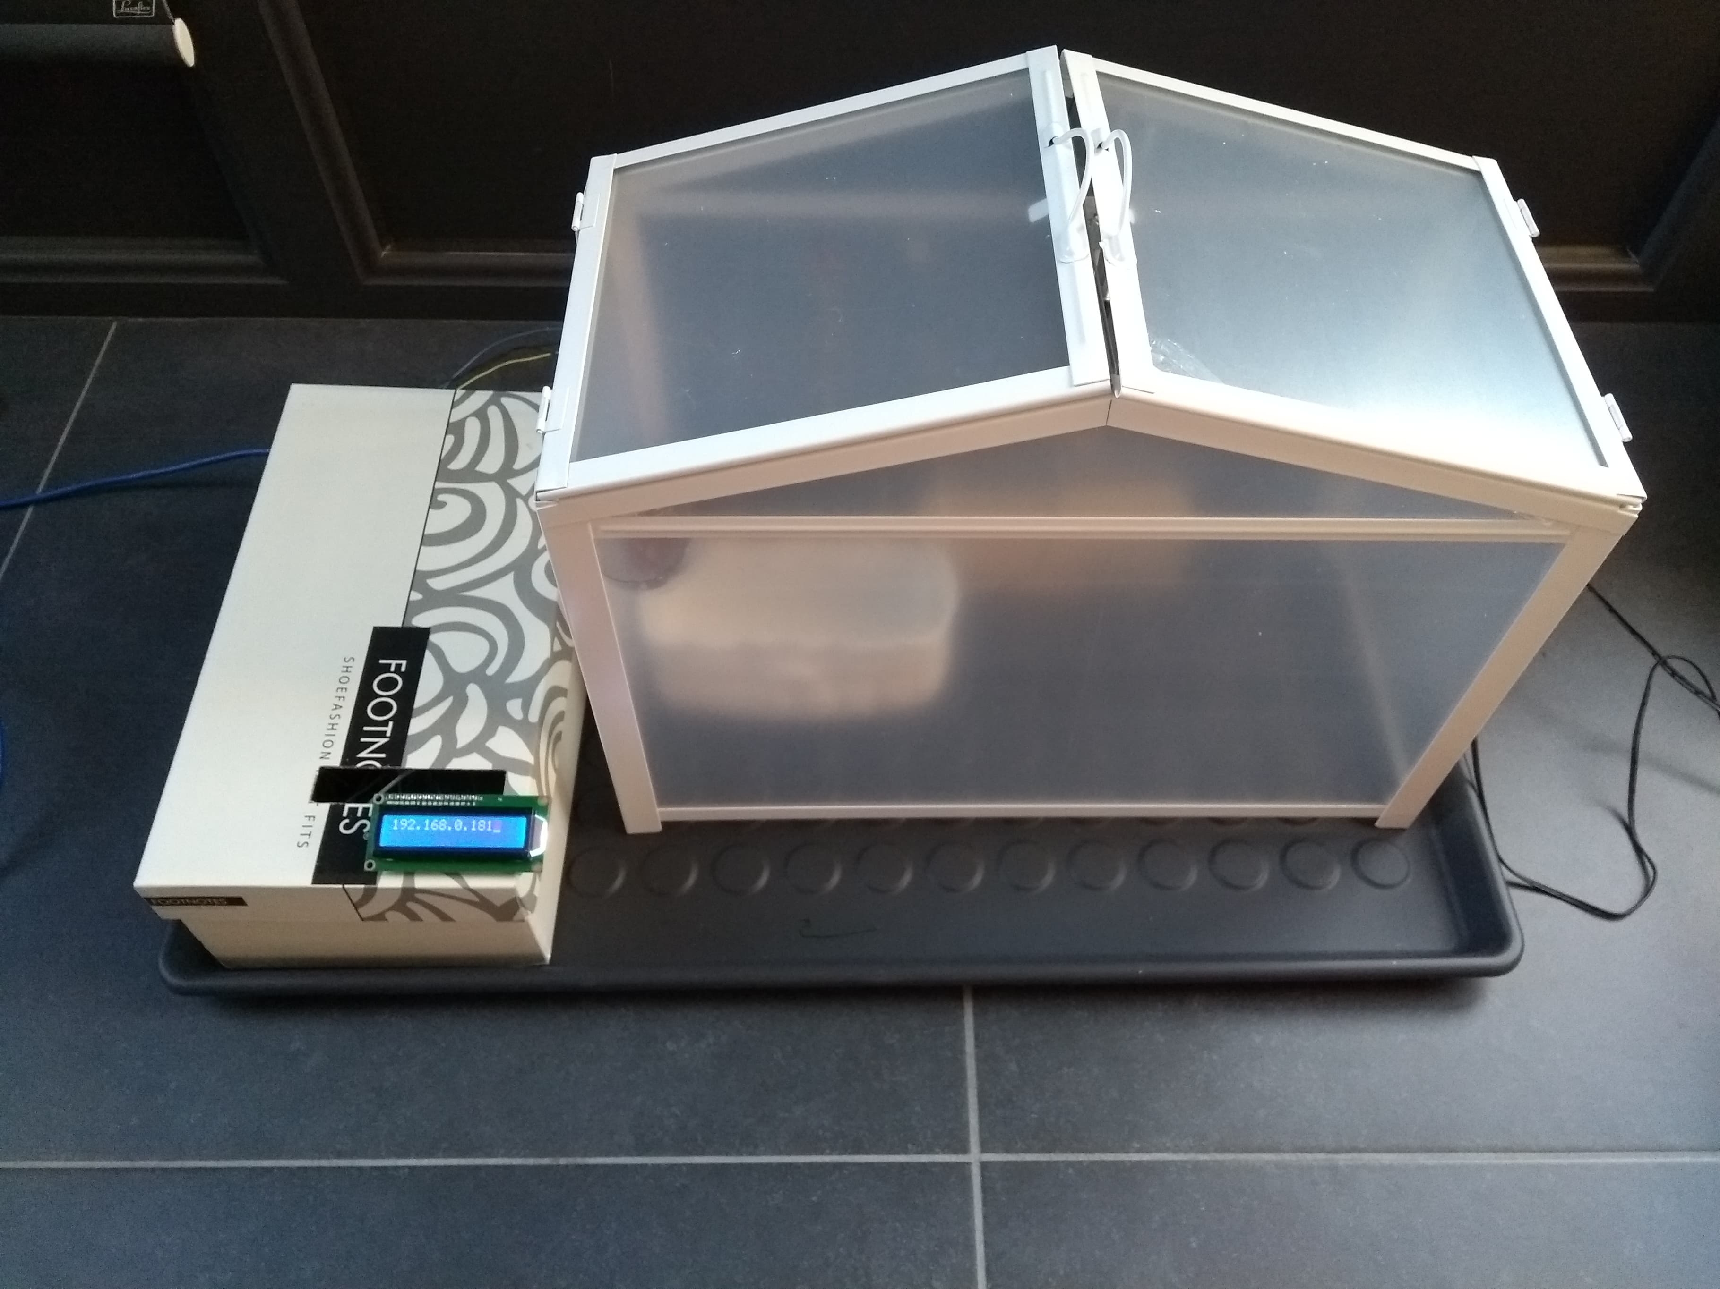
 | CLASS: | 1NMCT1
 | NAME: | Verhenne
 | FIRSTNAME: | Jonas
 | Assembly Name : | smart serre
 | Assembly Revision :
 | Approval Date :
 | Part Count : | 16
 | Total Cost : | €122

 |  |  |  |  |  | (picture can only be added with END delivery of project!)

Part # | Part Name | Description | Revision | Qty | Supplier | also available from | Units | Unit Cost | Max Cost | Real Cost
1 | Grond vochtigheid sensor | Een sensor dat de vochtigheid in de grond meet |  | 1 | internet (opencircuit.nl) https://opencircuit.nl/Product/10180/Grond-vochtigheid-sensor-module | https://www.aliexpress.com/item/1pcs-lot-soil-the-hygrometer-detection-module-soil-moisture-sensor-Robot-smart-car-For-UNO-R3/32804791399.html?spm=2114.search0604.3.147.6e6c6ccbqjmW3H&ws_ab_test=searchweb0_0,searchweb201602_3_10065_10068_319_317_10696_10084_453_10083_454_10618_10304_10307_10820_10821_537_10302_536_10902_10843_10059_10884_10887_321_322_10103,searchweb201603_61,ppcSwitch_0&algo_expid=25771980-0cb7-4d12-a7b9-6834f655cc6e-21&algo_pvid=25771980-0cb7-4d12-a7b9-6834f655cc6e | each | €2.95 | €2.95
2 | temperatuursensor (LM35) | Een sensor dat de temperatuur meet |  | 1 | kit | https://www.aliexpress.com/item/FREE-shipping-20pcs-lot-Precision-Centigrade-Temperature-Sensors-LM35-LM35DZ-TO92-TO-92/1803898184.html?spm=2114.search0604.3.89.534c4539oFj4Dj&ws_ab_test=searchweb0_0,searchweb201602_3_10065_10068_10890_319_10546_317_10548_10696_10084_453_454_10083_10618_10304_10307_10820_537_536_10902_10843_10059_10884_10887_321_322_10103,searchweb201603_61,ppcSwitch_0&algo_expid=0898208e-2130-43c3-91c7-9d2aae0af97b-13&algo_pvid=0898208e-2130-43c3-91c7-9d2aae0af97b | each | $0.75 | €0.75
3 | lichtsensor | een sensor dat de hoeveelheid licht meet |  | 1 | kit | https://www.aliexpress.com/item/1pcs-GY-2561-TSL2561-Luminosity-Sensor-Breakout-infrared-Light-Sensor-module-integrating-sensor-AL/32764106177.html?spm=2114.search0604.3.1.38c9151352XmLW&ws_ab_test=searchweb0_0,searchweb201602_3_10065_10068_319_317_10696_10084_453_10083_454_10618_10304_10307_10820_10821_537_10302_536_10902_10843_10059_10884_10887_321_322_10103,searchweb201603_61,ppcSwitch_0&algo_expid=ccd94bb9-2be4-42d4-9557-5a4c40f59ebd-0&algo_pvid=ccd94bb9-2be4-42d4-9557-5a4c40f59ebd | each | $0.98 | €0.98
4 | Raspberry Pi | mini computer |  | 1 | kit | https://www.raspi-shop.be/fr/carte-meres/1326-raspberry-pi-3-b-plus-de-stock--3232100013261.html?src=raspberrypi | each | $39.95 | €39.95
5 | Display | wordt gebruikt om het ip-adres van de raspberry pi te tonen |  | 1 | kit | https://www.aliexpress.com/item/3-3V-LCD1602-blue-screen-1602A-blue-screen-LCD-screen-blue-white-with-backlight/32823135695.html?spm=2114.search0604.3.8.601327a9o5yzDq&ws_ab_test=searchweb0_0,searchweb201602_3_10065_10068_319_317_10696_10084_453_10083_454_10618_10304_10307_10820_10821_537_10302_536_10902_10843_10059_10884_10887_321_322_10103,searchweb201603_61,ppcSwitch_0&algo_expid=a043b7a0-e016-4dce-91d9-3a90f9436bf3-1&algo_pvid=a043b7a0-e016-4dce-91d9-3a90f9436bf3 | each | $1.60 | €1.60
6 | trimmer | wordt gebruikt om de helderheid van het display aan te passen |  | 1 | kit | https://www.aliexpress.com/item/1-PC-Potentiometer-Resistor-1K-10K-20K-50K-100K-500K-Ohm-3-Pin-Linear-Taper-Rotary/32947770616.html?spm=2114.search0104.3.8.2a7879afDDG4lN&ws_ab_test=searchweb0_0,searchweb201602_3_10065_10068_10843_10546_319_10059_10884_10548_317_10887_10696_321_322_453_10084_454_10083_10103_10618_10304_10307_10820_537_536,searchweb201603_52,ppcSwitch_0&algo_expid=a7ce3c7d-a478-44f9-8f8a-b1a910f2eb70-1&algo_pvid=a7ce3c7d-a478-44f9-8f8a-b1a910f2eb70 | each | $0.41 | €0.41
7 | GPIO Extension Board + flat cable | hulpmiddel om de raspberry pi met een breadboard te verbinden |  | 1 | kit | https://www.aliexpress.com/item/RPi-GPIO-Breakout-Expansion-Board-40pin-Flat-Ribbon-Cable-For-Raspberry-Pi-3-2-Model-B/32914708074.html?spm=2114.search0104.3.15.633678ecqNWSO8&ws_ab_test=searchweb0_0,searchweb201602_3_10065_10068_10843_10546_319_10059_10884_10548_317_10887_10696_321_322_453_10084_454_10083_10103_10618_10304_10307_10820_537_536,searchweb201603_52,ppcSwitch_0&algo_expid=e5fddc71-6905-45b9-97bb-0055ccec1f30-2&algo_pvid=e5fddc71-6905-45b9-97bb-0055ccec1f30 | each | $3.16 | €3.16
8 | breadboard | hulpmiddel om componenten te verbinden |  | 1 | kit | https://www.aliexpress.com/item/Breadboard-830-Point-Solderless-PCB-Bread-Board-MB-102-MB102-Test-Develop-DIY/32701019904.html?spm=2114.search0104.3.1.39783e445AY9n9&ws_ab_test=searchweb0_0,searchweb201602_3_10065_10068_10843_10546_319_10059_10884_10548_317_10887_10696_321_322_453_10084_454_10083_10103_10618_10304_10307_10820_537_536,searchweb201603_52,ppcSwitch_0&algo_expid=a8362c64-e578-4d34-a227-36b9828d50c4-3&algo_pvid=a8362c64-e578-4d34-a227-36b9828d50c4 | each | $1.14 | €1.14
9 | mcp 3008 | zet analoge waarden om in digitale waarden |  | 1 | kit | https://www.aliexpress.com/item/1PCS-MCP3008-DIP16-MCP3008-I-P-DIP-16-DIP/32835252379.html?spm=2114.search0104.3.8.76743d212C6IsC&ws_ab_test=searchweb0_0,searchweb201602_3_10065_10068_10843_10546_319_10059_10884_10548_317_10887_10696_321_322_453_10084_454_10083_10103_10618_10304_10307_10820_537_536,searchweb201603_52,ppcSwitch_0&algo_expid=5cf42da8-52e2-4894-8066-8023ff4f9b0f-1&algo_pvid=5cf42da8-52e2-4894-8066-8023ff4f9b0f | each | $1.99 | €1.99
10 | L293D | wordt gebruikt om motoren aan te sturen met een externe bron |  | 1 | kit | https://www.aliexpress.com/item/1pcs-lot-L293D-L293DNE-DIP16-L293-DIP-293D-DIP-16-new-and-original-IC-In-Stock/33000992581.html?spm=2114.search0104.3.66.e2f24151JQEdK6&ws_ab_test=searchweb0_0,searchweb201602_3_10065_10068_10843_10546_319_10059_10884_10548_317_10887_10696_321_322_453_10084_454_10083_10103_10618_10304_10307_10820_537_536,searchweb201603_52,ppcSwitch_0&algo_expid=b79ec5bb-8f09-4121-b91b-3d6335b9ca3e-12&algo_pvid=b79ec5bb-8f09-4121-b91b-3d6335b9ca3e | each | $0.34 | €0.34
11 | micro SD-kaart (16GB) + SD adapter | wordt gebruikt door de raspberry pi |  | 1 | kit | https://www.aliexpress.com/item/SanDisk-Micro-SD-Memory-Card-16GB-32GB-64GB-128GB-MicroSD-Cards-SDHC-SDXC-Max-80M-s/32740307068.html?spm=2114.search0104.3.8.7494187a6WgWgM&ws_ab_test=searchweb0_0,searchweb201602_3_10065_10068_10843_10546_319_10059_10884_10548_317_10887_10696_321_322_453_10084_454_10083_10103_10618_10304_10307_10820_537_536,searchweb201603_52,ppcSwitch_0&algo_expid=18228dee-eb15-4d79-ad6b-a3b636355102-1&algo_pvid=18228dee-eb15-4d79-ad6b-a3b636355102 | each | $10.66 | €10.66
12 | serre | behuizing |  | 1 | ikea | https://www.ikea.com/be/nl/p/socker-kweekkas-wit-binnen-buiten-70186603/ | each | €12.99 | €12.99
13 | 12V connector | handig om de motoren van een externe bron te voeden |  | 1 | online (aliexpress) | https://www.aliexpress.com/item/10-Pcs-12V-2-1-x-5-5mm-DC-Power-Male-Plug-Jack-Adapter-Connector-Plug/32802693990.html?spm=2114.search0104.3.1.59c73df3tmBC9n&ws_ab_test=searchweb0_0,searchweb201602_3_10065_10068_10843_10546_319_10059_10884_10548_317_10887_10696_321_322_453_10084_454_10083_10103_10618_10304_10307_10820_537_536,searchweb201603_52,ppcSwitch_0&algo_expid=06100d0f-9df8-4575-8080-b8e1af2774e4-0&algo_pvid=06100d0f-9df8-4575-8080-b8e1af2774e4 | per 10 | $1.98 | €1.98
14 | bloempot | gebruikt om bloemen in te doen |  | 1 | thuis | https://www.aliexpress.com/item/Mini-Colourful-Round-Plastic-Plant-Flower-Pot-Garden-Home-Office-Decor-Planter-Desktop-Flower-Pots/32963567415.html?spm=2114.search0104.3.1.a7df5904RbYV8R&ws_ab_test=searchweb0_0,searchweb201602_3_10065_10068_10843_10546_319_10059_10884_10548_317_10887_10696_321_322_453_10084_454_10083_10103_10618_10304_10307_10820_537_536,searchweb201603_52,ppcSwitch_0&algo_expid=8d17e25a-a262-4bf7-979e-605c5fbe2d8c-0&algo_pvid=8d17e25a-a262-4bf7-979e-605c5fbe2d8c | each | $0.19 | €0.19
15 | motor 2 (klep) | Regelt de watertoevoer |  | 1 | thuis | https://www.aliexpress.com/item/2W030-06-2W030-08-Pneumatic-components-AIRTAC-2W-series-original-Pneumatic-water-solenoid-valves-One-year/32909840539.html?spm=2114.search0104.3.15.49055c98ejmJ4z&ws_ab_test=searchweb0_0,searchweb201602_3_10065_10068_10843_10546_319_10059_10884_10548_317_10887_10696_321_322_453_10084_454_10083_10103_10618_10304_10307_10820_537_536,searchweb201603_52,ppcSwitch_0&algo_expid=ef4bf1f8-85b6-4ea2-a226-ea576b1a472b-2&algo_pvid=ef4bf1f8-85b6-4ea2-a226-ea576b1a472b | each | $13.55 | €13.55
16 | motor 1 (raam) | Opent of sluit het raam |  | 1 | online (conrad) | https://www.conrad.be/p/microtransmissie-g-1000-sol-expert-g1000-12v-metalen-tandwielen-11000-2-20-omwmin-1289387?searchSuggest=product&searchTerm=1289387&searchType=suggest | each | €12.99 | €12.99
17 | Koppeling adapter | gebruikt om de motor (raam) met de vijs te verbinden |  | 1 | online | https://modelbouw-baillien.be/shop/product/gf-4008-004-koppeling-adapter-torque-as-dia-3-2mm-1-pc-74732?search=GF-4008-004 | each | €5.65 | €5.65
18 | koppeling verbindingsadapter | gebruikt om de motor (raam) met de vijs te verbinden |  | 1 | online | https://modelbouw-baillien.be/shop/product/gf-4008-008-torque-koppeling-verbindingsadapter-elastisch-1-pc-74733?search=GF-4008-008 | each | €4.85 | €4.85
19 | Koppeling adapter | gebruikt om de motor (raam) met de vijs te verbinden |  | 1 | online | https://modelbouw-baillien.be/shop/product/gf-4008-006-koppeling-adapter-torque-as-dia-5mm-1-pc-74731?search=GF-4008-006 | each | €5.65 | €5.65
 | Total |  |  | 16 |  |  |  |  | €121.78

