Sheet1
Source Water Temperature* |  | 70 | °F | Feel free to adjust the green boxes to match your unique situation
Boiled Water Temperature |  | 212 | °F
Mug/Teapot Size** |  | 12 | oz

Tea Type | Desired Temperature (°F) | Source Water (oz) | Source Water (%) | Boiled Water (oz) | Boiled Water (%)
Green | 170 | 3.5 | 30% | 8.5 | 70%
White | 165 | 4.0 | 33% | 8.0 | 67%
Black | 205 | 0.6 | 5% | 11.4 | 95%
Herbal | 205 | 0.6 | 5% | 11.4 | 95%
Oolong | 195 | 1.4 | 12% | 10.6 | 88%
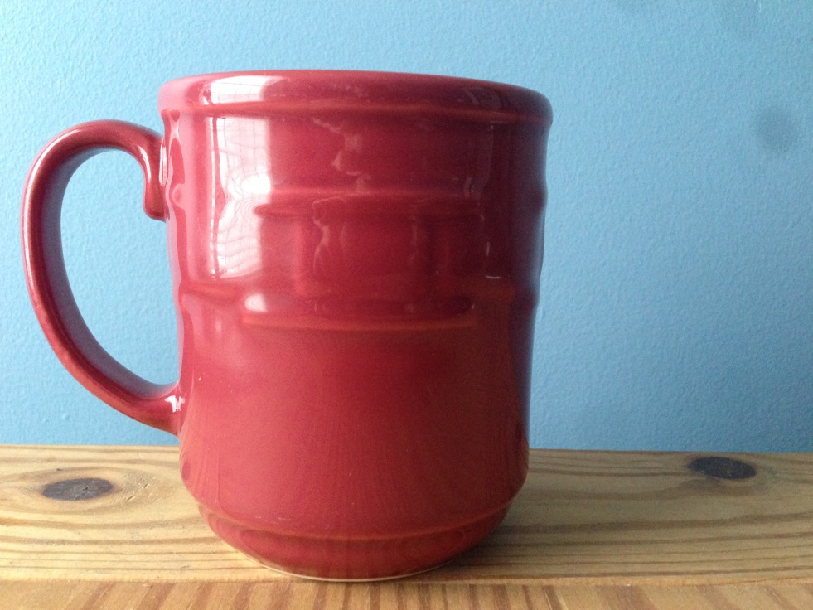

* Source water temperature is the temperature of whatever water you use to make tea (i.e. sink, brita filter etc.)
** 12oz is the standard size but this formula will work with any mug or teapot

