BillOfMaterials
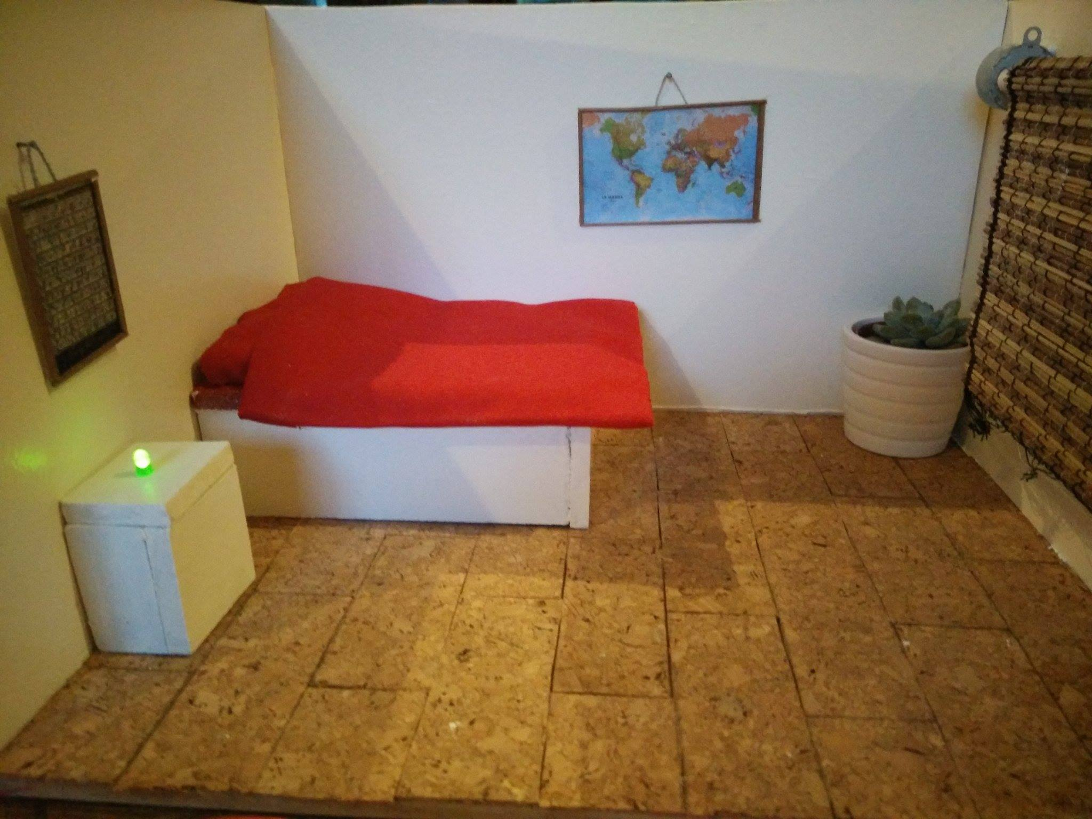
 | CLASS: | 1NMCT6
 | NAME: | Van Hecke
 | FIRSTNAME: | Mathias
 | Assembly Name : | BindBerry
 | Assembly Revision :
 | Approval Date :
 | Part Count : | 12
 | Total Cost : | €76

Part # | Part Name | Description | Revision | Qty | Supplier | also available from | Units | Unit Cost | Max Cost | Real Cost
1 | Raspberry Pi 3 | Rasberry Pi 3 Model b |  | 1 | SOS Solutions.be | Makersland.be | € | 40.40 € | €40.40
2 | SD-Kaart | Een sd-kaart om het besturings systeem van de PI er op te zetten |  | 1 | SOS Solutions.be | 123Bestdeal.be | € | 8.00 € | €8.00
3 | PODOY 20PCS Photoresistor GL5537 5537 LDR Photo Resistors Light-Dependent | Licht resistor |  | 1 | Amazon | SOS Solutions.be | € | 0.10 € | €0.10
4 | MCP3008-I/P | Analog/digital converter |  | 1 | Conrad.be | SOS Solutions.be | € | 2.62 € | €2.62
5 | Stepper-Motor | Een motor om de zonnewering op en neer te laten gaan |  | 1 | Mij zelf | Conrad.be | € | 5.20 € | €5.20
6 | 1 led | Om verliching aan te sturen in de maquette |  | 4 | Mij zelf | Conrad.be | € | 0.10 € | €0.40
7 | Pico T0-92 temperatuur | Om de temperatuur te meten in de maquette |  | 1 | Mij zelf | SOS Solutions.be | € | 2.23 € | €2.23
8 | Resistor 4,7K & 220 | Voor de lichtsensor en de led veilig te schakelen. |  | 1 | Mij zelf | SOS Solutions.be | € | 0.10 € | €0.10
9 | MDF hout | Hout om de maquette te maken. |  | 122x81-88MM | Hubo | Elke doe-het-zelf winkel | € | 6.45 € | €6.45
10 | Verf | Om de maquette een kleurtje te geven |  | 1 | Hubo | Elke doe-het-zelf winkel | € | $10.00 | €10.00
 |  |  |  |  |  |  |  |  | €-
 | Total |  |  | 12 |  |  |  |  | €75.50

Example

Bill of Materials for LEGO® Design
Voorbeeld enkel als illustratie van hoe je elementen oplijst!
 |  |  | Assembly Name : | Mini X-Wing™ |  |  |  |  |  | [42]
 |  |  | Assembly Number : | Custom
 |  |  | Assembly Revision :
 |  |  | Approval Date :
 |  |  | Pieces : | 46
 |  |  | Total Cost : | $5.85

Category | Part # | Elem ID | Part Name | Color | Qty | Supplier | Alternative available from | Action? | Units | Picture | Unit Cost | max Cost | Real Cost
Bricks, Sloping | 50746 | 4504369 | ROOF TILE 1X1X2/3, ABS | 1 - White | 1 | nephew | 4500069: Plate 1X2 W. 1 Knob | Brickset: LEGO set guide and database. (n.d.). Retrieved 21 February 2017, from http://brickset.com/parts/4500069 |  | each |  | $0.10 | $0.10 | $0.10
Plates | 3024 | 302401 | PLATE 1X1 | 1 - White | 1 | nephew | 4500069: Plate 1X2 W. 1 Knob | Brickset: LEGO set guide and database. (n.d.). Retrieved 21 February 2017, from http://brickset.com/parts/4500069 |  | each |  | $0.10 | $0.10 | $0.10
Plates | 3023 | 302301 | PLATE 1X2 | 1 - White | 2 | nephew | 4500069: Plate 1X2 W. 1 Knob | Brickset: LEGO set guide and database. (n.d.). Retrieved 21 February 2017, from http://brickset.com/parts/4500069 |  | each |  | $0.10 | $0.20 | $0.20
Plates | 3023 | 4211398 | PLATE 1X2 | 194 - Medium Stone Grey | 1 | nephew | 4500069: Plate 1X2 W. 1 Knob | Brickset: LEGO set guide and database. (n.d.). Retrieved 21 February 2017, from http://brickset.com/parts/4500069 |  | each |  | $0.10 | $0.10 | $0.10
Plates | 3794 | 379401 | PLATE 1X2 W. 1 KNOB | 1 - White | 1 | nephew | 4500069: Plate 1X2 W. 1 Knob | Brickset: LEGO set guide and database. (n.d.). Retrieved 21 February 2017, from http://brickset.com/parts/4500069 |  | each |  | $0.10 | $0.10 | $0.10
Plates | 3623 | 362301 | PLATE 1X3 | 1 - White | 1 | nephew | 4500069: Plate 1X2 W. 1 Knob | Brickset: LEGO set guide and database. (n.d.). Retrieved 21 February 2017, from http://brickset.com/parts/4500069 |  | each |  | $0.10 | $0.10 | $0.10
Plates | 3623 | 362321 | PLATE 1X3 | 21 - Bright Red | 1 | nephew | 4500069: Plate 1X2 W. 1 Knob | Brickset: LEGO set guide and database. (n.d.). Retrieved 21 February 2017, from http://brickset.com/parts/4500069 |  | each |  | $0.10 | $0.10 | $0.10
Plates | 94148 | 302201 | PLATE 2X2 | 1 - White | 1 | nephew | 4500069: Plate 1X2 W. 1 Knob | Brickset: LEGO set guide and database. (n.d.). Retrieved 21 February 2017, from http://brickset.com/parts/4500069 |  | each |  | $0.15 | $0.15 | $0.15
Plates, Special | 6141 | 4210633 | PLATE 1X1 ROUND | 199 - Dark Stone Grey | 1 | nephew | 4500069: Plate 1X2 W. 1 Knob | Brickset: LEGO set guide and database. (n.d.). Retrieved 21 February 2017, from http://brickset.com/parts/4500069 |  | each |  | $0.10 | $0.10 | $0.10
Plates, Special | 3070 | 307021 | FLAT TILE 1X1 | 21 - Bright Red | 4 | nephew | 4500069: Plate 1X2 W. 1 Knob | Brickset: LEGO set guide and database. (n.d.). Retrieved 21 February 2017, from http://brickset.com/parts/4500069 |  | each |  | $0.10 | $0.40 | $0.40
Plates, Special | 2412 | 241201 | RADIATOR GRILLE 1X2 | 1 - White | 1 | nephew | 4500069: Plate 1X2 W. 1 Knob | Brickset: LEGO set guide and database. (n.d.). Retrieved 21 February 2017, from http://brickset.com/parts/4500069 |  | each |  | $0.10 | $0.10 | $0.10
Plates, Special | 6019 | 4538353 | PLATE 1X1 W/HOLDER VERTICAL | 1 - White | 4 | nephew | 4500069: Plate 1X2 W. 1 Knob | Brickset: LEGO set guide and database. (n.d.). Retrieved 21 February 2017, from http://brickset.com/parts/4500069 |  | each |  | $0.15 | $0.60 | $0.60
Plates, Special | 2431 | 4558168 | FLAT TILE 1X4 | 1 - White | 1 | nephew | 4500069: Plate 1X2 W. 1 Knob | Brickset: LEGO set guide and database. (n.d.). Retrieved 21 February 2017, from http://brickset.com/parts/4500069 |  | each |  | $0.20 | $0.20 | $0.20
Plates, Special | 63868 | 4535737 | PLATE 2X1 W/HOLDER,VERTICAL | 1 - White | 4 | nephew | 4500069: Plate 1X2 W. 1 Knob | Brickset: LEGO set guide and database. (n.d.). Retrieved 21 February 2017, from http://brickset.com/parts/4500069 |  | each |  | $0.15 | $0.60 | $0.60
Plates, Special | 2540 | 4211632 | PLATE 1X2 W. STICK | 194 - Medium Stone Grey | 4 | nephew | 4500069: Plate 1X2 W. 1 Knob | Brickset: LEGO set guide and database. (n.d.). Retrieved 21 February 2017, from http://brickset.com/parts/4500069 |  | each |  | $0.15 | $0.60 | $0.60
Plates, Special | 3176 | 4225733 | COUPLING PLATE 2X2 | 199 - Dark Stone Grey | 1 | nephew | 4500069: Plate 1X2 W. 1 Knob | Brickset: LEGO set guide and database. (n.d.). Retrieved 21 February 2017, from http://brickset.com/parts/4500069 |  | each |  | $0.20 | $0.20 | $0.20
Bricks, Special | 49668 | 4224793 | PLATE 1X1 W/TOOTH | 5 - Brick Yellow | 1 | nephew | 4500069: Plate 1X2 W. 1 Knob | Brickset: LEGO set guide and database. (n.d.). Retrieved 21 February 2017, from http://brickset.com/parts/4500069 |  | each |  | $0.10 | $0.10 | $0.10
Technic | 32123 | 4211573 | 1/2 BUSH | 194 - Medium Stone Grey | 4 | nephew | 4500069: Plate 1X2 W. 1 Knob | Brickset: LEGO set guide and database. (n.d.). Retrieved 21 February 2017, from http://brickset.com/parts/4500069 |  | each |  | $0.10 | $0.40 | $0.40
Technic | 6590 | 4211622 | BUSH FOR CROSS AXLE | 194 - Medium Stone Grey | 8 | nephew | 4500069: Plate 1X2 W. 1 Knob | Brickset: LEGO set guide and database. (n.d.). Retrieved 21 February 2017, from http://brickset.com/parts/4500069 |  | each |  | $0.15 | $1.20 | $1.20
Accessories | 3957 | 4211473 | STICK/AERIAL | 194 - Medium Stone Grey | 4 | nephew | 4500069: Plate 1X2 W. 1 Knob | Brickset: LEGO set guide and database. (n.d.). Retrieved 21 February 2017, from http://brickset.com/parts/4500069 |  | each |  | $0.10 | $0.40 | $0.40
 |  |  | Total |  | 46 |  |  |  |  |  |  | $5.85 | $5.85

